Test Statistics
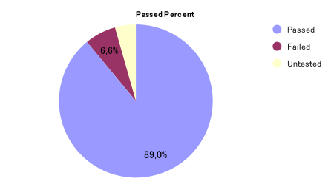
TEST STATISTICS

Project Name | Building FlexiRide - A platform for ride-hailing and driver rental using React JS, React Native, NodeJs, MongoDB |  | Creator |  |  | ThinhPH
Project Code | BHC |  | Reviewer/Approver
Document Code | BHC_Test Report_28.11 |  | Issue Date |  |  | 2024-11-28
Notes | <List modules included in this release> ex: Release 1 includes 2 modules: Module1 and Module2

No | Module code | Passed | Failed | Pending | N/A | Number of test cases
1 | Authentication | 15 | 8 | 2 | 0 | 30
2 | Sign Up User | 0 | 0 | 0 | 0 | 5
3 | Hire Driver | 9 | 1 | 0 | 0 | 10
4 | Pay Online | 2 | 0 | 0 | 0 | 2
5 | View Trip Request | 3 | 0 | 0 | 0 | 3
6 | View Activity History | 3 | 0 | 0 | 0 | 3
7 | Booking Carpool | 20 | 0 | 4 | 0 | 24
8 | Book A Trip | 6 | 0 | 0 | 0 | 6
9 | Track Driver Location | 4 | 0 | 0 | 0 | 4
10 | Select Service | 4 | 0 | 0 | 0 | 4
11 | Chat Real Time | 2 | 0 | 0 | 0 | 2
12 | Update Activity Status | 4 | 0 | 0 | 0 | 4
13 | Cancel Ride | 5 | 0 | 0 | 0 | 5
14 | RU Service Price | 8 | 0 | 0 | 0 | 8
15 | View Information List User | 7 | 1 | 0 | 0 | 8
16 | Process Withdrawal Request | 6 | 1 | 0 | 0 | 7
17 | Lock Account User | 9 | 0 | 0 | 0 | 9
18 | Approve Driver Registry Request | 9 | 0 | 0 | 0 | 9
19 | View Statistic | 8 | 1 | 0 | 0 | 9
20 | View List Feedback Of Driver | 5 | 0 | 0 | 0 | 5
21 | CRUD Discount | 12 | 1 | 0 | 0 | 13
 | Sub total | 141 | 13 | 6 | 0 | 170

 | Test coverage |  | 90.59 | %
 | Test successful coverage |  | 82.94 | %

